Grid SearchCV& Conceptual Mean
SCORING METRICS (GRID SEARCH CV) USAGE WITH TRAIN |TEST|SPLIT | REFERENCE

WARNING--> | ⇰REFERENCE (Website)-->Stackoverflow Regarding Overall difference between (cross_val_score) and Kfold as well as Stratified K fold Cross Validation
1. On one hand, KFold & Stratified K fold & Other Techniques of Cross Validation in which lets you to split your data to K folds. 2.On the Other Hand cross_val_score & cross_validate & Grid Search CV is a function which evaluates a data and returns the score.

THEORETICAL CONCEPTUAL UNDERSTANDING OF GRID SEARCH CV

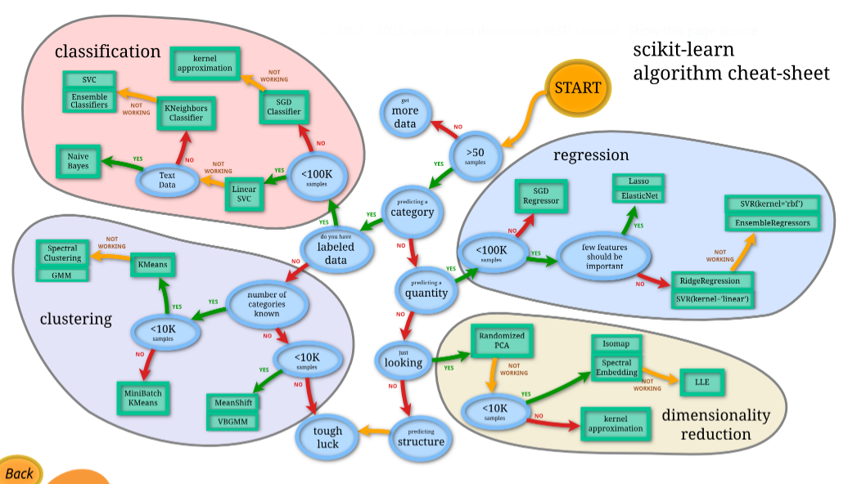 | ⇰REFERENCE (wWebsite)--> Scikit Learn Regarding Overall Choosing The Right Estimator (In terms of Illustrative Figure Representation) of Various Regression & Classification as well as Clustering

❶GridSearchCV is the process of performing hyperparameter tuning in order to determine the optimal values for a given model. As mentioned above, the performance of a model significantly depends on the value of hyperparameters. Note that there is no way to know in advance the best values for hyperparameters so ideally, we need to try all possible values to know the optimal values. Doing this manually could take a considerable amount of time and resources and thus we use GridSearchCV to automate the tuning of hyperparameters. ❷Basically in Simple Words (UDEMY) Often more complex models that will later learn about in the course have multiple adjustable parameters.A grid search is a way of training and validating a model on every possible combination of multiple hyper parameter options. Scikit Learn includes a grid search CV class call, (param_grid) which is capable of testing a dictionary of user defined hyper parameter options through cross validation.This allows for both cross validation and the grid search to be performed in a generalized way for any model. | ⇰REFERENCE (Website)-->My Great Learning Regarding Thereotical & Practical Understanding (Coding) of GRID SEARCH CV | ⇰REFERENCE (Website)-->Medium Regarding Thereotical & Practical Implementation Various Hyper Parameter of Grid Search CV

 | ⇰REFERENCE (Website)--> Udemy Regarding Thereotical & Practical Implementation (Coding) of Grid Search CV

 |  |  | s
❸param_grid-->Scikit Learn includes a grid search CV class call, which is capable of testing a dictionary of user defined hyper parameter options through cross validation.This allows for both cross validation (CV) & the grid search to be performed in a generalized way for any model. | ⇰REFERENCE (Website)-->My Great Learning Regarding Thereotical & Practical Understanding (Coding) of GRID SEARCH CV

 |  | ⇰REFERENCE (Website)-->Medium Regarding Thereotical & Practical Implementation Various Hyper Parameter of Grid Search CV

 | ⇰REFERENCE (Website)-->SVM ?????

 | ⇰REFERENCE (Website)-->Scikit Learn Regarding Various Hyper Parameter Practical Implementation (While Coding) in Grid Search CV While Fitting Models

❹We can search through a variety of combinations of hyperparameters with a grid search. While many linear models are quite simple and even come with their own specialized versions that do a search for you, this method of a grid search will can be applied to any model from sklearn, and we will need to use it later on for more complex models, such as Support Vector Machines.
 | ⇰REFERENCE (Website)-->SVM ?????

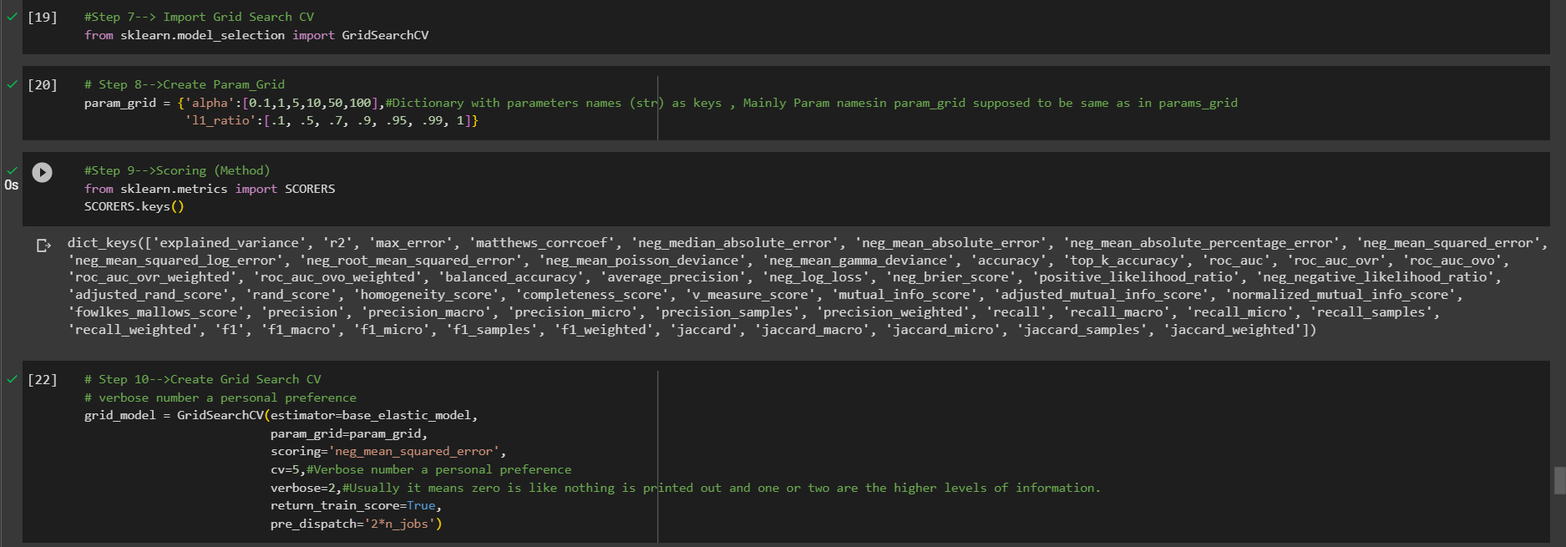

 | ⇰REFERENCE (Website)-->1.5 (ii) Cross Validation & Technique of CV --> Grid Search CV Regarding Practical Implementation (Coding) of Grid Search CV Along with it's All Hyper Parameters

Hyper Param For Grid Search CV
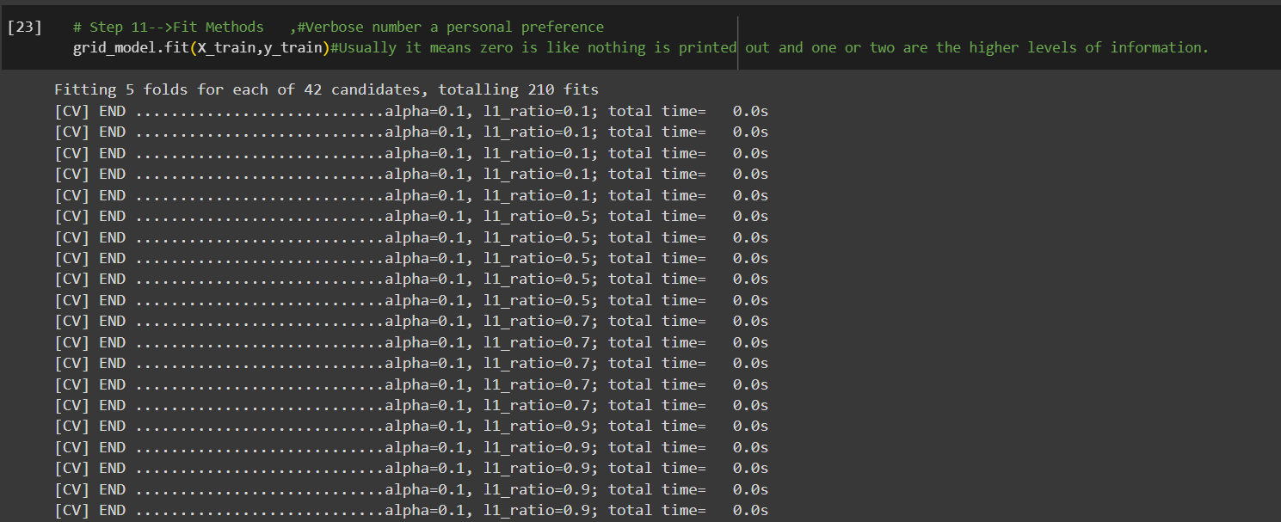
HYPER PARAMETER FOR GRID SEARCH CV

①We can search through a variety of combinations of hyperparameters with a grid searchCV. While many linear models are quite simple and even come with their own specialized versions that do a search for you, this method of a grid search CV will can be applied to any model from scikit learn, and we will need to use it later on for more complex models, such as Support Vector Machines.

IMPERATIVE / FUNDAMENTAL HYPER PARAMETER FOR MODEL | REFERENCE

 | ⇰REFERENCE (Website)-->Scikit Learn Regarding Various Hyper Parameter Practical Implementation (While Coding) in Grid Search CV While Fitting Models

 | ⇰REFERENCE (Website)--> Udemy Regarding Thereotical & Practical Implementation (Coding) of Various Hyper Parameter for GRID SEARCH CV

⇰Grid Search CV ,A search consists of:
❶An Estimator (regressor or classifier such as sklearn.svm.SVC());
❷A parameter space; (Param_Grid) | ⇰REFERENCE (Website)-->My Great Learning Regarding Thereotical & Practical Understanding (Coding) of GRID SEARCH CV
❸A method for searching or sampling candidates;
❹A cross-validation scheme
❺A Score function. |  | ⇰REFERENCE (Website)-->Scikit Learn Regarding Thereotical & Practical Implementation Regarding Param estimator
⇰estimator:estimator object implementing ‘fit’ ❶The object to use to fit the data. ❷An estimator is an object that fits a model based on some training data and is capable of inferring some properties on new data. It can be, for instance, a classifier or a regressor. All estimators implement the fit method.

 | ⇰REFERENCE (Website)-->Medium Regarding Thereotical & Practical Implementation Various Hyper Parameter of Grid Search CV

⇰param_grid:dict or list of dictionaries ❶ Dictionary with parameters names (str) as keys and lists of parameter settings to try as values, or a list of such dictionaries, in which case the grids spanned by each dictionary in the list are explored. This enables searching over any sequence of parameter settings. ❷Basically in Simple Words By Udemy parameter grid or param_grid, which comes in the form of a python dictionary.So clearly we can adjust both Alpha and the L1ratio. So then what we're going to do is using these exact strings.So Alpha (λ)==>alpha) &L1 underscore ratio the exact way it's written out here.I create keys in my dictionary, so I say I have my alpha key colon and it's going to be a list of optional values.

 | ⇰REFERENCE (Website)-->1.5 (iii) Google Colab Cross Validation & Techniques of CV Regarding Practical Implementation (Coding) Regarding Hyper Param--> param_grid

⇰scoring :str, callable, list, tuple or dict, default=None ❶Strategy to evaluate the performance of the cross-validated model on the test set. ❷If scoring represents a single score, one can use: ֎A single string (see The scoring parameter: defining model evaluation rules); ֎A callable (see Defining your scoring strategy from metric functions) that returns a single value. ❸If scoring represents multiple scores, one can use: ֎ A list or tuple of unique strings; ֎A callable returning a dictionary where the keys are the metric names and the values are the metric scores; ֎A dictionary with metric names as keys and callables a values. ❹Basically in Simple Word Scorer Metric is used for the purpose for finding what kind of evaluation Criteria is used in Given Data set . ❺Pl understand difference in between in Negative_mean_absolute_error & Positive mean absolute error . | ⇰REFERENCE (Website)-->[1.5 Google Colab CROSS VALIDATION (CV) (SCORING METRICS) Regarding Practical Implementation (Coding) of SCORING METRICS | REFERENCE (Website)-->Scikit Learn Regarding Metric Scoring Or Various Types of Metric Scoring

 | ⇰REFERENCE (Excel Sheet)-->2.5 (i) Excel Sheet Regarding Conceptual & Practical Understanding of Scoring Metrics

 | ⇰REFERENCE (Website)-->1.5 (iii) Google Colab Cross Validation & Techniques of CV Regarding Practical Implementation (Coding) Regarding SCORERS Method | ⇰REFERENCE (Website)-->Medium Data Science Regarding Thereotical & Practical Implementation Various Hyper Parameter of Grid Search CV

 | ⇰REFERENCE (Website)-->Scikit Learn Regarding Various Hyper Parameter Practical Implementation (While Coding) in Grid Search CV While Fitting Models
⇰cv:int, cross-validation generator or iterable, default=None ⇒In Simple Words CV number, which is the number of folds in K fold cross validation by default.If you scroll down in the documentation, it eventually tells you that it's going to say it's a default five fold cross validation.So we'll keep the default if you want.You can define it here as CV is equal to five ⇒Determines the cross-validation splitting strategy. Possible inputs for cv are: ❶None, to use the default 5-fold cross-validation ❷int, to specify the number of folds ❸An iterable yielding (train, test) splits as arrays of indices. ❹For int/None inputs, KFold is used. ❺Basically in Simple Words This parameter allows you to change the number of folds for the cross validation (cv). |  | ⇰REFERENCE (Website)-->Medium Regarding Thereotical & Practical Implementation Various Hyper Parameters of Grid Search CV

 | ⇰REFERENCE (Website)--> Udemy Regarding Thereotical & Practical Implementation (Coding) of Various Hyper Parameter for GRID SEARCH CV

SUPPORTING HYPER PARAMETER FOR MODEL

⇰verbose:bool or int, default=False ❶Amount of verbosity ,Usually it means zero is like nothing is printed out and one or two are the higher levels of information.You kind of have to do, have to test it to see what information it brings back to you. ❷Verbosity level is related just to logging. In unit tests you find it for the logging of the information. ❸These levels decide the amount of information you will get. For example setting the level to ERROR for running unit tests will display only the cases for which the unit tests failed. Setting it to DEBUG will give you more (the most in fact) info such as what were the values of the variables (in assert statements etc).It is more useful in cases where your program has different levels of logging and you want your users to see different levels of info. For eg. usually you don't want the users to see details of internals, apart from fatal errors. So users will be running the program in FATAL or CRITICAL mode. But when some error occurs you will need such details. ❹The verbosity level: if non zero, progress messages are printed. Above 50, the output is sent to stdout. The frequency of the messages increases with the verbosity level. If it more than 10, all iterations are reported. ❺By setting verbose 0, 1 or 2 you just say how do you want to 'see' the trai | ⇰REFERENCE (Website)-->Stackoverflow Regarding Conceptual & Thereotical Info Regarding ('What is verbosity level exactly in python?') (difference between each level) | ⇰REFERENCE (Website)-->Medium Regarding Thereotical & Practical Implementation Various Hyper Parameter of Grid Search CV

 | ⇰REFERENCE (Website)-->Scikit Learn Regarding Various Hyper Parameter Practical Implementation (While Coding) in Grid Search CV While Fitting Models

 | ⇰REFERENCE (Website)--> Udemy Regarding Thereotical & Practical Implementation (Coding) of Various Hyper Parameter for GRID SEARCH CV

 | ⇰REFERENCE (Website)--> Udemy Regarding Thereotical & Practical Implementation (Coding) of Various Hyper Parameter for GRID SEARCH CV

 | ⇰REFERENCE (Website)-->Stackoverflow Regarding Conceptual & Thereotical Info Regarding ('What is verbosity level exactly in python?') (difference between each level)
❺Basically in 1.5 (iii) Google Colab Cross Validation (CV) verbose is equal to two (2) verbose=2, you should see a bunch of information pop out as far as Alpha ((λ)==>alpha) & l1_ratio for Each CV Fold & then also kind of the time it (took total_time it took for each fold) , if you go ahead and say verbose is equal to zero & (verbose=0) and run these again, you'll notice it doesn't give you as much information.And if you do verbose as equal to one, it'll give you kind of some information about what it's doing on the back end, but it won't tell you every single fit for 210 fits.Obviously, it's up to you how much information you actually want.

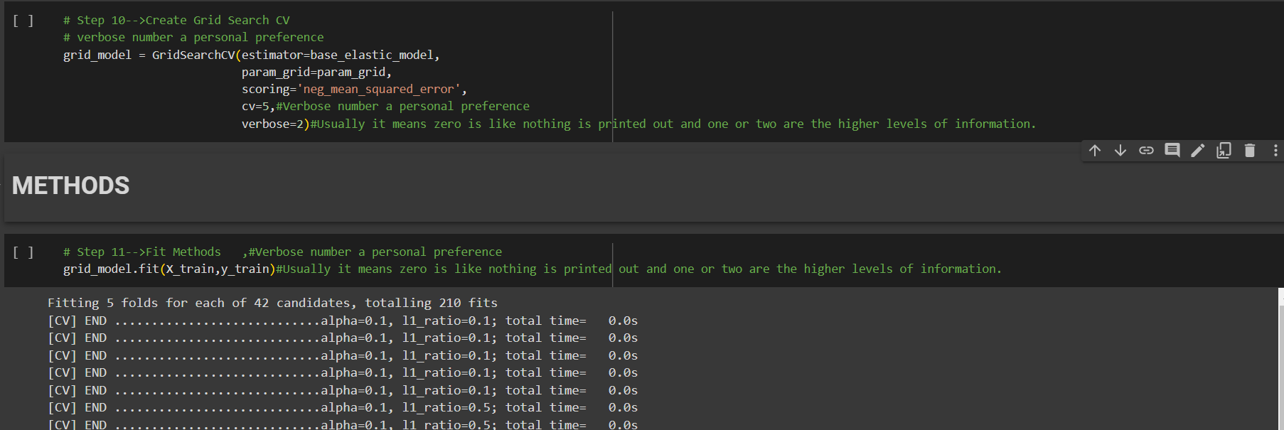
 | ⇰REFERENCE (Website)-->1.5(iii) Google Colab ,1.5(iii) Cross Validation & Techniques of CV--> Grid Search CV Regarding Practical Implementation of Param verbose=0 , verbose=1 , verbose=2 & It's Varied Output

⇰n_jobs:int, default=None ❶Number of CPUs to use during the cross validation. None means 1 unless in a joblib.parallel backend. ❷The maximum number of concurrently running jobs, such as the number of Python worker processes when backend=”multiprocessing” or the size of the thread-pool when backend=”threading”. If -1 all CPUs are used. If 1 is given, no parallel computing code is used at all, and the behavior amounts to a simple python for loop. This mode is not compatible with timeout. For n_jobs below -1, (n_cpus + 1 + n_jobs) are used. Thus for n_jobs = -2, all CPUs but one are used. ❸n_jobs=-1-->running with n-jobs = -1: (after adding the if __name__ == '__main__': line to my script) I see the script starting 4 processes with 10 threads each. Each process uses about 25% of the CPU (total: 100%). Seems to work as expected. ❹n_jobs=1-->running with n-jobs = 1: stays on a single process (not a surprise), with 20 threads, and also uses 100% of the CPU. | ⇰REFERENCE (Website)--> Joblib Python Library Regarding Parameters of Joblib.Parallel() ' Hyper Parameter of n_jobs

 | ⇰REFERENCE (Website)-->Stackoverflow Regarding Thereotical & Practical Implementation of n_jobs 's Hyper Parameter for LASSO CV's Model

 | ⇰REFERENCE (Website)-->Scikit Learn Regarding Various Hyper Parameter Practical Implementation (While Coding) in Grid Search CV While Fitting Models

⇰pre_dispatch:int, or str, default=’2*n_jobs’ ①Controls the number of jobs that get dispatched during parallel execution. Reducing this number can be useful to avoid an explosion of memory consumption when more jobs get dispatched than CPUs can process.This parameter can be: ❶None, in which case all the jobs are immediately created and spawned. Use this for lightweight and fast-running jobs, to avoid delays due to on-demand spawning of the jobs. ❷An int, giving the exact number of total jobs that are (spawned)-->mean (reset or new) ❸A str, giving an expression as a function of n_jobs, as in ‘2*n_jobs’. | ⇰REFERENCE (Website)-->Stackoverflow Regarding Thereotical & Practical Implementation Coding of Hyper Parameter return_train_score & it's correlation with attribute cv_results

 | ⇰REFERENCE (Website)-->Scikit Learn Regarding Various Hyper Parameter Practical Implementation (While Coding) in Grid Search CV While Fitting Models

 | ⇰REFERENCE (Website)-->Scikit Learn Regarding Various Hyper Parameter Practical Implementation (While Coding) in Grid Search CV While Fitting Models

⇰error_score:‘raise’ or numeric, default=np.nan ❶Value to assign to the score if an error occurs in estimator fitting. If set to ‘raise’, the error is raised. If a numeric value is given, Fit FailedWarning is raised.

⇰return_train_score:bool, default=False | ⇰REFERENCE (Website)-->Stackoverflow Regarding Thereotical & Practical Implementation (Coding) Regarding Hyper Parameter pre_dispatch
❶If False, the (attribute) cv_results_ will not include training scores. Computing training scores is used to get insights on how different parameter settings impact the overfitting/underfitting trade-off. However computing the scores on the training set can be computationally expensive and is not strictly required to select the parameters that yield the best generalization performance.

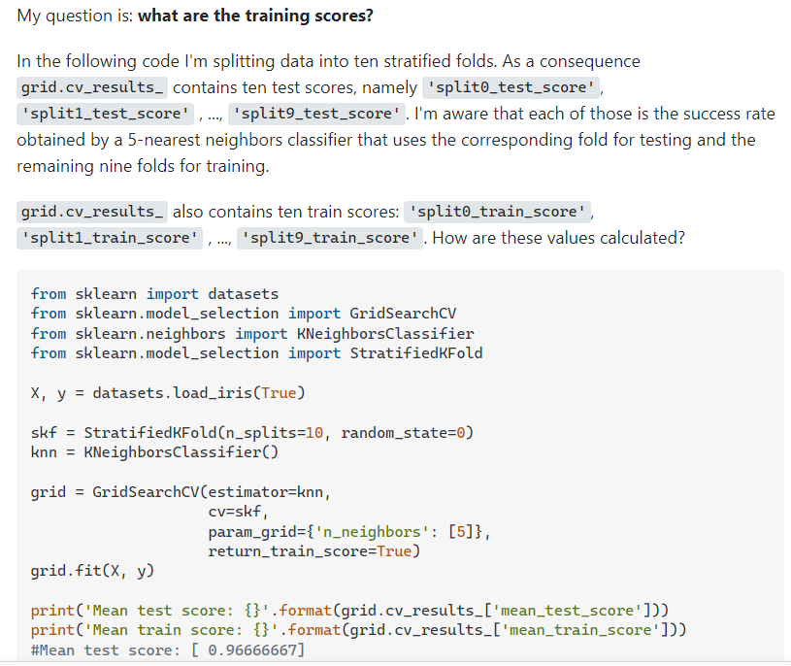

 | ⇰REFERENCE (Website)-->Scikit Learn Regarding Various Hyper Parameter Practical Implementation (While Coding) in Grid Search CV While Fitting Models

 | ⇰REFERENCE (Website)--> Udemy Regarding Thereotical & Practical Implementation (Coding) of Various Hyper Parameter for GRID SEARCH CV

⇰refit:bool, str, or callable, default=True ❶Refit an estimator using the best found parameters on the whole dataset. ❷Also for multiple metric evaluation, the attributes best_index_, best_score_ and best_params_ will only be available if refit is set and all of them will be determined w.r.t this specific scorer. ❸Basically in Simple Words When refit=True, Scikitlearn uses entire training set to refit the model. So, there is no test data left to estimate the performance using any scorer function. ❹To resolve that, you can pass one string scorer to refit to specify which of those scorer should ultimately decide best hyper-parameter. This best value will then be used to retrain or refit the model using full dataset. So, when you've got just one scorer, as your case seems to be, you don't have to worry about this. Simply refit=True will suffice. | ⇰REFERENCE (Website)-->Scikit Learn Regarding Various Hyper Parameter Practical Implementation (While Coding) in Grid Search CV While Fitting Models

 | ⇰REFERENCE (Website)--> Udemy Regarding Thereotical & Practical Implementation (Coding) of Various Hyper Parameter for GRID SEARCH CV

 | ⇰REFERENCE (Website)--> Stackoverflow Regarding Thereotical & Practical Implementation Regarding Hyper Param refit: (bool)

 | ⇰REFERENCE (Website)-->1.5 (ii) Cross Validation & Technique of CV --> Grid Search CV Regarding Practical Implementation (Coding) of Grid Search CV Along with it's All Hyper Parameters

 | ⇰REFERENCE (Website)-->Scikit Learn Regarding Various Hyper Parameter Practical Implementation (While Coding) in Grid Search CV While Fitting Models

 | ⇰REFERENCE (Website)--> Udemy Regarding Thereotical & Practical Implementation (Coding) of Various Hyper Parameter for GRID SEARCH CV

Method of Grid Search CV
METHODS FOR GRID SEARCH CV | REFERENCE

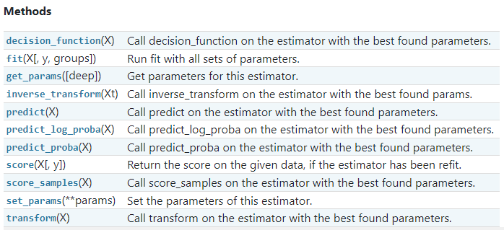 | ⇰REFERENCE (Website)-->Scikit Learn Regarding Thereotical & Practical Implementation Regarding Various Methods of Grid Search CV

 | ⇰REFERENCE (Website)--> Udemy Regarding Thereotical & Practical Implementation (Coding) of Various Methods for GRID SEARCH CV

⇰get_params(deep=True) ❶Get parameters for this estimator. ❷deep:bool, default=True ,If True, will return the parameters for this estimator and contained sub objects that are estimators. Parameter names mapped to their values in dict format . ❸ In 2nd Instance we had seen that we Create get_params by using calling keys & display result in in List Format . ❹ In 4th Instance Basically Values (numeric) & boolean (bool) value Resultant of Various Hyper Parameter Used in Grid Search CV Model . ❺Basically in Simple words this param_grid parameter allows you to pass the grid of parameters you are searching. This grid must be formatted as a dictionary with the key corresponding to the specific estimator’s parameter names, and the values corresponding to a list of values to pass for the specific parameters. | ⇰REFERENCE (Website)-->Scikit Learn Regarding Thereotical & Practical Implementation Regarding Various Methods of Grid Search CV | ⇰REFERENCE (Website)-->Medium Regarding Thereotical & Practical Implementation Various Methods of Grid Search CV

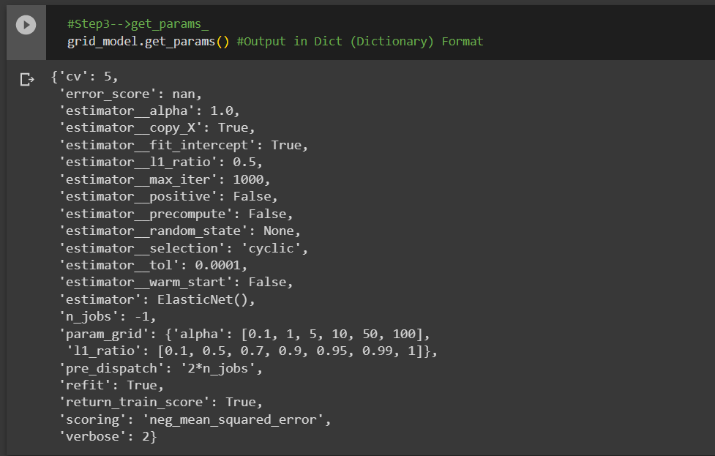 | ⇰REFERENCE (Website)--> Udemy Regarding Thereotical & Practical Implementation (Coding) of Various Methods for GRID SEARCH CV

 | ⇰REFERENCE (Website)-->Google Colab 1.5 (ii) Cross Validation & Technique of CV --> Grid Search CV Regarding Practical Implementation (Coding) & Methods of Grid Search CV --> get_params (dict format) along with get_params.keys (list format)

 | ⇰REFERENCE (Website)-->Google Colab 1.5 (ii) Cross Validation & Technique of CV --> Grid Search CV Regarding Practical Implementation (Coding) & Methods of Grid Search CV --> get_params (dict format) along with get_params.keys (list format)

 | ⇰REFERENCE (Website)-->Google Colab 1.5 (ii) Cross Validation & Technique of CV --> Grid Search CV Regarding Practical Implementation (Coding) & Methods of Grid Search CV --> get_params (Resultant Value Output (ONLY))

⇰set_params(params) ❶Set the parameters of this estimator . ❷In simple words set_params (Setting or Readjusting any Hyper Parameter again with New Param) ,We can Perform Readjustment or Reconfiguration of any Hyper Parameter for Given Model & then Re-run the Model. ❸Basically in Upcoming Example We have change

❸Basically in upcoming Example We can see changes in set_params (n_jobs=>-1) to (n_jobs=>1) & (verbose=>2) to (verbose=>1). If we do comparison against Previous model.get_params() we can see those changes. | ⇰REFERENCE (Website)-->Google Colab 1.5 (ii) Cross Validation & Technique of CV --> Grid Search CV Regarding Practical Implementation (Coding) & Methods of Grid Search CV --> set_params

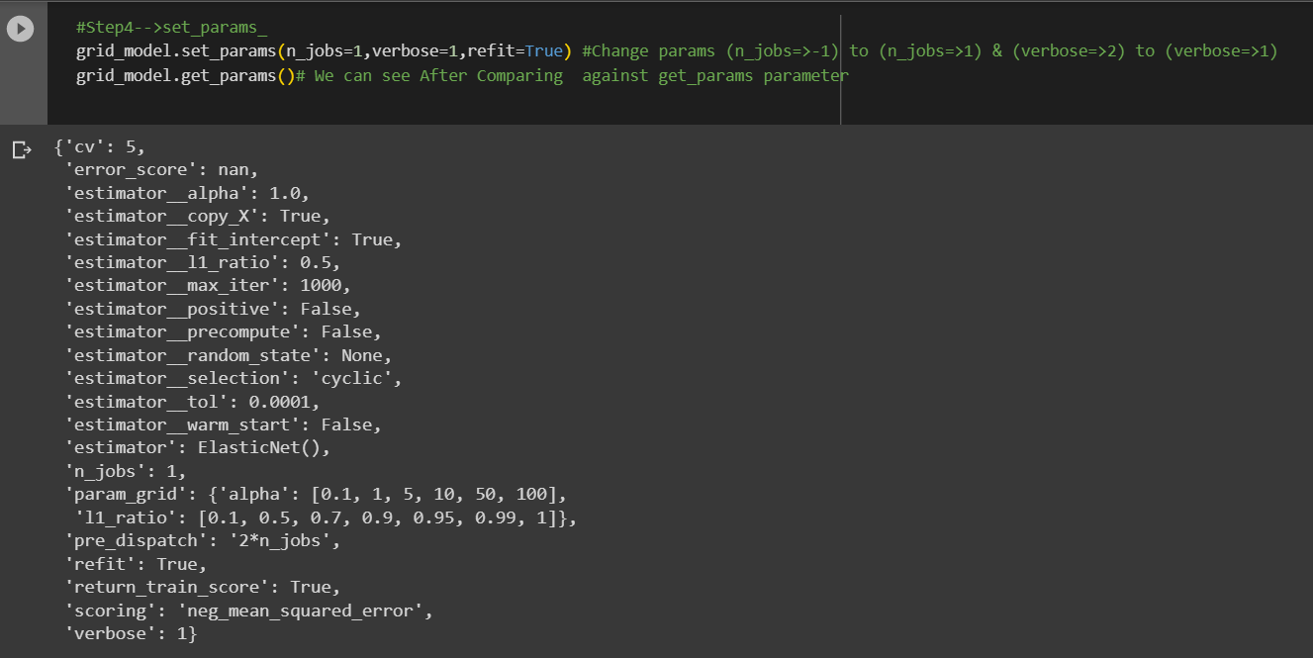

 | ⇰REFERENCE (Excel Sheet) -->2.5 (ii) (Excel) Cross Validation & Technique of Scoring & CV Regarding Various Params preceding against Changes in Parameter (Verbose) & n_jobs

 | ⇰REFERENCE (Website)-->Scikit Learn Regarding Thereotical & Practical Implementation Regarding Various Methods of Grid Search CV

 | ⇰REFERENCE (Website)--> Udemy Regarding Thereotical & Practical Implementation (Coding) of Various Methods for GRID SEARCH CV

⇰fit(X, y, sample_weight=None) ❶Run fit with all sets of parameters.

 | ⇰REFERENCE (Website)-->Google Colab 1.5 (ii) Cross Validation & Technique of CV --> Grid Search CV Regarding Practical Implementation (Coding) & Methods of Grid Search CV --> fit() Method

⇰predict(X) ❶ Call predict on the estimator (Basically model) with the best found parameters. Only available if refit=True and the underlying estimator supports predict.

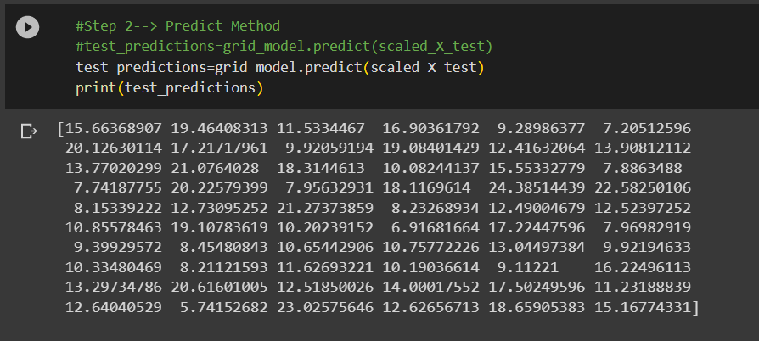 | ⇰REFERENCE (Website)-->Google Colab 1.5 (ii) Cross Validation & Technique of CV --> Grid Search CV Regarding Practical Implementation (Coding) & Methods of Grid Search CV --> predict Method ()

 | ⇰REFERENCE (Website)-->Scikit Learn Regarding Thereotical & Practical Implementation Regarding Various Methods of Grid Search CV

 | ⇰REFERENCE (Website)--> Udemy Regarding Thereotical & Practical Implementation (Coding) of Various Methods for GRID SEARCH CV

⇰score(X, y, sample_weight=None) ❶Return the coefficient of determination of the prediction. ❷Scorer Metric is used for the purpose for finding what kind of evaluation Criteria is used in Given Data set for the purpose of Finding Out the Error. ❸Return the score on the given data, if the estimator has been refit. ❹This uses the score defined by scoring where provided, and the best_estimator_.score method otherwise. ❺REMEMBER NEGATIVE MEAN ABSOLUTE ERROR (NMAE) IS BASICALLY OPPOSITE OR INVERSE OF MEAN ABSOLUTE ERROR (MAE) . |  | REFERENCE (Website)-->Scikit Learn Regarding Metric Scoring Or Various Types of SCORER Metric Scoring

 | REFERENCE (Website)-->[Scikit Learn Regarding Metric Scoring Or Various Types of Metric Scoring

 | ⇰REFERENCE (Website)-->Google Colab 1.5 (ii) Cross Validation & Technique of CV --> Grid Search CV Regarding Practical Implementation (Coding) & Methods of Grid Search CV --> score(X,y) | ⇰REFERENCE (Website)-->Kaggle Regarding Overeall Thereotical Concept & Practical Understanding of Negative Mean Square Error

 | ⇰REFERENCE (Website)-->Stackoverflow Regarding Thereotical Concept of negative mean absolute error in scikit-learn?

 | ⇰REFERENCE (Website)-->Google Colab 1.5 (ii) Cross Validation & Technique of CV --> Grid Search CV Regarding Practical Implementation (Coding) & Methods of Grid Search CV --> SCORER Method

⇰best_estimator_.score() ❶Basically This Method Basically Mean Finding Out best_estimator 's score According to SCORERS Metric We have Select So That is 'NEGATIVE MEAN SQUARE ERROR' . ❷REMEMBER NEGATIVE MEAN ABSOLUTE ERROR (NMAE) IS BASICALLY OPPOSITE OR INVERSE OF MEAN ABSOLUTE ERROR (MAE) . | ⇰REFERENCE (Website)-->Scikit Learn Regarding Thereotical & Practical Implementation Regarding Various Methods of Grid Search CV | REFERENCE (Website)-->Scikit Learn Regarding Metric Scoring Or Various Types of SCORER Metric Scoring



 | ⇰REFERENCE (Website)--> Udemy Regarding Thereotical & Practical Implementation (Coding) of Various Methods for GRID SEARCH CV

 | ⇰REFERENCE (Website)-->Google Colab 1.5 (ii) Cross Validation & Technique of CV --> Grid Search CV Regarding Practical Implementation (Coding) & Methods of Grid Search CV --> SCORER Method & best_estimator_.score()

 | ⇰REFERENCE (Website)-->Scikit Learn Regarding Thereotical & Practical Implementation Regarding Various Methods of Grid Search CV

⇰inverse_transform(Xt) ❶Call inverse_transform on the estimator with the best found params.Only available if the underlying estimator implements inverse_transform and refit=True. ❷inverse_transform() on the Standard scaler (Feature Scaling) to get the original unscaled data back. ❸Basically in Simple Words (inverse_transform) Undo the scaling of (scaled_X_train) according to feature_range & After Calling Methods inverse_transform() it will yield Output unscaled_X_train ( ) . ❹Basically it will Yield Raw Output Precede to Feeding for Standard Scaling.

 | ⇰REFERENCE (Website)--> Udemy Regarding Thereotical & Practical Implementation (Coding) of Various Methods for GRID SEARCH CV

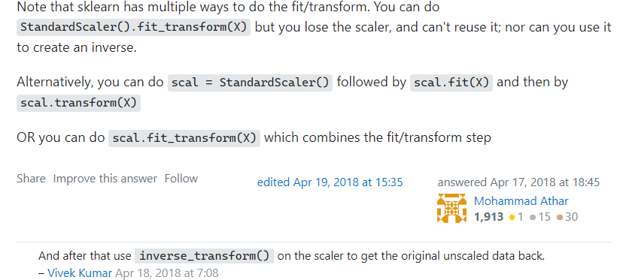

 | ⇰REFERENCE (Website)-->Stackoverflow Regarding Practical & Thereotical Concept 's Method of inverse_transform (Xt)

 | ⇰REFERENCE (Website)--> Udemy Regarding Thereotical & Practical Implementation (Coding) of Various Methods for GRID SEARCH CV

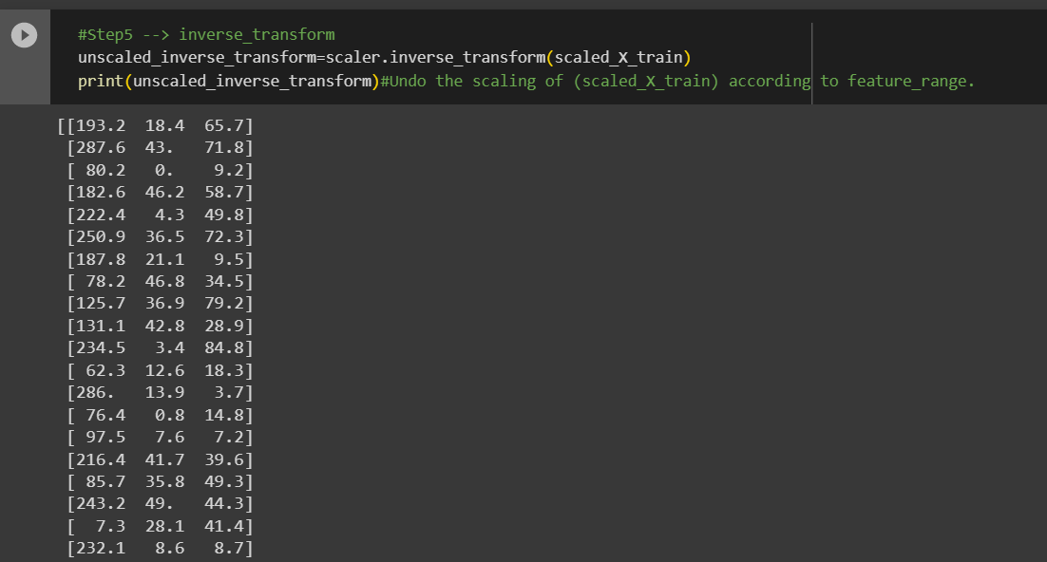 | REFERENCE (Website)-->Google Colab 1.5 (ii) Cross Validation & Technique of CV --> Grid Search CV Regarding Practical Implementation (Coding) & Methods of Grid Search CV --> inverse_transform

 | ⇰REFERENCE (Website)-->Scikit Learn Regarding Thereotical & Practical Implementation Regarding Various Methods of Grid Search CV

Attribute of Grid Search CV
ATTRIBUTES FOR GRID SEARCH CV | REFERENCE

⇰best_estimator_:estimator ❶Estimator that was chosen by the search, i.e. estimator which gave highest score (or smallest loss if specified) on the left out data. Not available if refit=False. ❷Basically in simple words When the grid search is called with various params, it chooses the one with the highest score based on the given scorer function. Best estimator gives the info of the params that resulted in the highest score. ❸This parameter allows you to select the specific model you’re choosing to run, in our case Grid Search CV. ❹ In This Case Best Hyper Parameter Regards Best Estimator for Grid Search Model with Parameter alpha (α =0.1) . ❺ 2nd Hyper Parameter for best_estimator_ l1_ratio=1 . | ⇰REFERENCE (Website)-->Scikit Learn Regarding Thereotical & Practical Implementation Regarding Various Attributes of GRID SEARCH CV | ⇰REFERENCE (Website)-->Medium Regarding Thereotical & Practical Implementation Various Attributes of Grid Search CV

 | ⇰Stackoverflow Regarding Thereotical & Practical Implementation Regarding Meaning of Attribute best_estimator_

 |  | ⇰REFERENCE (Website)-->Google Colab 1.5(ii) Cross Validation & Technique of CV-> Grid Search CV Regarding Practical Implementation (Coding) & Attributes of Grid Search CV->best_estimator_

 | ⇰REFERENCE (Website)--> Udemy Regarding Thereotical & Practical Implementation (Coding) of Various Methods for GRID SEARCH CV

⇰best_params_:dict ❶Parameter setting that gave the best results on the hold out data. ❷Basically in simple words best_params_ yield best hyper parameter from different set of combination of hyper parameters that we have created while tuning param_grid. Here is Next Figure . ❸So from 'alpha':[0.1,1,5,10,50,100] best 'alpha' parameter is [0.1] & From 'l1_ratio':[.1, .5, .7, .9, .95, .99, 1] Best l1 ratio 's Hyper Parameter is 1. | ⇰REFERENCE (Website)-->Scikit Learn Regarding Thereotical & Practical Implementation Regarding Various Attributes of GRID SEARCH CV | ⇰REFERENCE (Website)-->Medium Regarding Thereotical & Practical Implementation Various Attributes of Grid Search CV

 | ⇰REFERENCE (Website)--> Udemy Regarding Thereotical & Practical Implementation (Coding) of Various Methods for GRID SEARCH CV

 |  | ⇰REFERENCE (Website)-->Google Colab1.5(ii) Cross Validation & Technique of CV-> Grid Search CV Regarding Practical Implementation (Coding) & Attributes of Grid Search CV->best_params_

 | ⇰REFERENCE (Website)-->Stackoverflow Regarding Thereotical & Practical Implementation Of Attributes best_params_ of Grid Search CV

⇰best_score_:float ❶Mean cross-validated (cv) score of the best_estimator For multi-metric evaluation, this is present only if refit is specified.This attribute is not available if refit is a function. ❷Mean cross-validated (like best_score_ for every fold CV=5 (In this Grid_model) created in CV) score of the best_estimator. ❸So in simple words best_score is from every fold (cv fold) & then Out of that best_score_ from every fold , best_score_ from that will be selected. ❹REMEMBER NEGATIVE MEAN ABSOLUTE ERROR (NMAE) IS BASICALLY OPPOSITE OR INVERSE OF MEAN ABSOLUTE ERROR (MAE) . | ⇰REFERENCE (Website)-->Scikit Learn Regarding Thereotical & Practical Implementation Regarding Various Attributes of GRID SEARCH CV
 |  | ⇰REFERENCE (Website)-->Medium Regarding Thereotical & Practical Implementation Various Attributes of Grid Search CV

 | ⇰REFERENCE (Website)--> Udemy Regarding Thereotical & Practical Implementation (Coding) of Various Methods for GRID SEARCH CV

 |  | ⇰REFERENCE (Website)-->Stackoverflow Regarding Thereotical & Practical Implementation Regarding --> Attributes (best_score_)

 | ⇰REFERENCE (Website)-->Google Colab1.5(ii) Cross Validation & Technique of CV-> Grid Search CV Regarding Practical Implementation (Coding) & Attributes of Grid Search CV->best_score_

⇰n_splits_:int ❶The number of cross-validation splits (folds/iterations). Returns the number of splitting iterations in the cross-validator (& In this Cross_validator =Grid Search CV) Especially in this case number of split (cv)=5. ❷Basically in Simple Words n_splits refer to no of cross validation (cv) fold created . Simply Dividing Overall Training Data set into 5 folds.As we have seen k fold cross validation (k) that refers to the number of groups that a given data sample is to be split into. As such, the procedure is often called k-fold cross-validation .

 | ⇰REFERENCE (Website)-->Scikit Learn Regarding Thereotical & Practical Implementation Regarding Various Attributes of GRID SEARCH CV

 |  | ⇰REFERENCE (Excel Sheet)-->2.5(i) Cross Validation& (Various Technique of CV)--K Fold Regarding Conceptual & Pratical Understanding of K fold Cross Validation

 | ⇰REFERENCE (Website)-->Google Colab 1.5(ii) Cross Validation & Technique of CV-> Grid Search CV Regarding Practical Implementation (Coding) & Attributes of Grid Search CV->n_splits_

 | REFERENCE (Website)-->Stackoverflow Regarding Thereotical & Practical Implementation Regarding --> Attributes (n_splits_)

⇰multimetric_:bool ❶Whether or not the scorers compute several metrics. ❷Basically in Simple Words multimetric means practical usage of more than one SCORING METRICS on Single Model . So in this case If SCORING METRICS Have used more than single metric it will Yield Result Boolean True Otherwise False. | ⇰REFERENCE (Website)-->Scikit Learn Regarding Thereotical & Practical Implementation Regarding Various Attributes of GRID SEARCH CV

 |  | ⇰REFERENCE (Website)-->Google Colab 1.5(ii) Cross Validation & Technique of CV-> Grid Search CV Regarding Practical Implementation (Coding) & Attributes of Grid Search CV->multimetric_
 | ⇰REFERENCE (Website)--> Udemy Regarding Thereotical & Practical Implementation (Coding) of Various Methods for GRID SEARCH CV

❸Basically we have seen usage of More than single SCORER Metric in (Type of Cross Validation That is 'Cross_validate') Here is The Example --> | ⇰REFERENCE (Website)-->Google Colab 1.5(i) Cross Validation & Technique of CV->Cross_validate Regarding Practical Implementation & (Coding) of TWO SCORER METRIC Usage ('Neg Mean Absoluter Error) & ('Neg Mean Squared Error)

⇰n_features_in_:int ❶Number of features seen during fit. In Simple Words Number of features seen during fit . Only defined if best_estimator_ is defined (see the documentation for the refit parameter for more details) and that best_estimator_ exposes feature_names_in_ when fit. ❷Basically in Simple Words Number of Feature (Independent Variable) that Given Dataset have For Example In this Given Dataset There is Only 3 Features That is [Newspaper],[Radio],[TV]. | ⇰REFERENCE (Website)-->Scikit Learn Regarding Thereotical & Practical Implementation Regarding Various Attributes of GRID SEARCH CV
 |  | ⇰REFERENCE (Website)-->Google Colab 1.5(ii) Cross Validation & Technique of CV-> Grid Search CV Regarding Practical Implementation (Coding) & Attributes of Grid Search CV->n_features_in_

 | ⇰REFERENCE (Website)--> Udemy Regarding Thereotical & Practical Implementation (Coding) of Various Methods for GRID SEARCH CV

 | ⇰REFERENCE (Website)-->Scikit Learn Regarding Thereotical & Practical Implementation Regarding Various Attributes of GRID SEARCH CV
⇰feature_names_in_:ndarray of shape (n_features_in_,) ❶Names of features seen during fit. Defined only when X has feature names that are all strings. Basically in Other Word it Defines the Names of All Features (Independent Variable) (X1 [TV] ,X2[Radio],X3[Newspaper] That are Available in the Given Dataset.

⇰cv_results_dict of numpy (masked) ndarrays ❶A dict with keys as column headers and values as columns, that can be imported into a pandas DataFrame.For instance the below given table | ⇰REFERENCE (Website)--> Udemy Regarding Thereotical & Practical Implementation (Coding) of Various Methods for GRID SEARCH CV

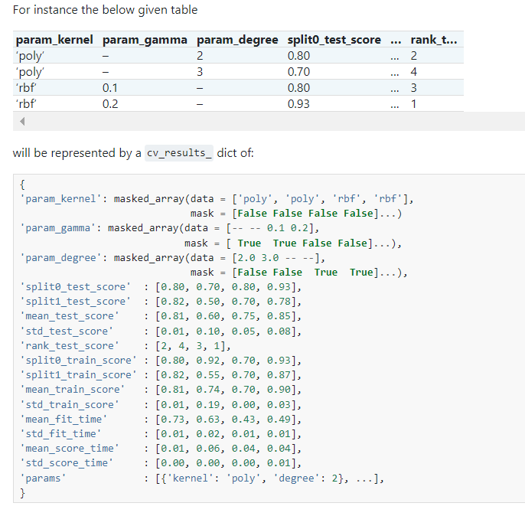

 | ⇰REFERENCE (Website)-->Scikit Learn Regarding Thereotical & Practical Implementation Regarding Various Attributes of GRID SEARCH CV

 | ⇰REFERENCE (Website)--> Udemy Regarding Thereotical & Practical Implementation (Coding) of Various Methods for GRID SEARCH CV

 | ⇰REFERENCE (Website)-->Stackoverflow Regarding Thereotical & Practical Implementation of Attributes cv_results_ as well as Implementation of various Column of mean_fit_time ,std_fit_time etc

❷Usage of cv_results_ or Practical Implementation Regarding cv_results_ --> ֎ CV-results yield output in giant dictionary we can pass this into a dataframe to make it a little easier to read & essentially it's just a bunch of information of the mean fit time, standard deviation, fit time ,means score time, etc. as well as the error information.So mean test score, standard deviation, test score, rank, test score, etc. for all the combinations possible.So you notice here the parameters. This are the results for an alpha = 0.1 and an L1 ratio of 0.1.Here's alpha 0.1, l1 ratio of 0.5, etc. So it keeps going down and gives you all that information.You probably don't need every single column here. Obviously, you could just start selecting the columns you want from this data frame, but all this information is here for you in case you want it or need it. ֎Now, let's imagine we are fully satisfied with this performance.If we were not satisfied, we would just go back up here and start testing different ranges of alpha and L1 ratio.So maybe you want to test smaller alpha values somewhere between zero and 0.2 and higher L1 ratios somewhere between 0.9 and all the way to one. ❸ In Upcoming Illustration (Figure) We can see This are in Numpy Array But it doesn't look elegant & In Further Figure We will create Data Frame (df). | ⇰REFERENCE (Website)-->Scikit Learn Regarding Thereotical & Practical Implementation Regarding Various Attributes of GRID SEARCH CV

 | ⇰REFERENCE (Website)--> Udemy Regarding Thereotical & Practical Implementation (Coding) of Various Methods for GRID SEARCH CV

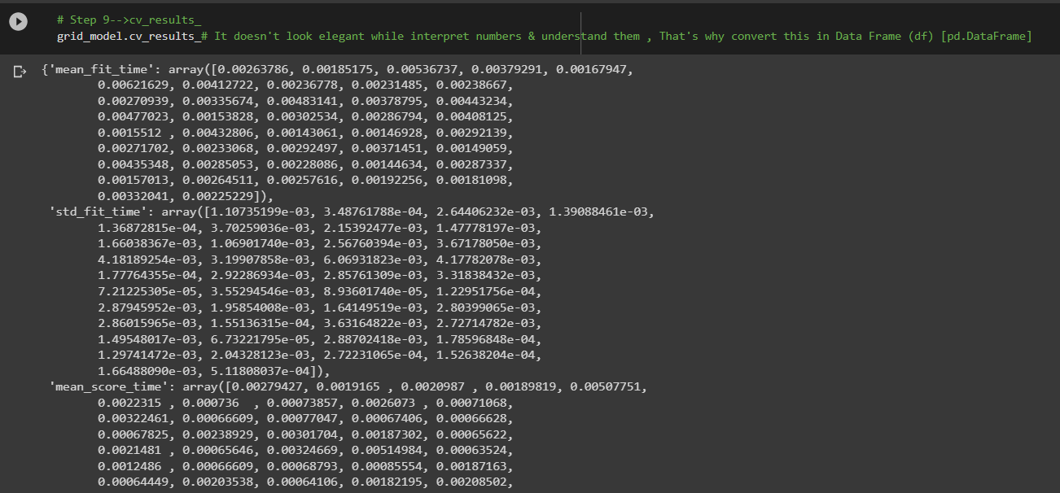 | ⇰REFERENCE (Website)-->Google Colab 1.5(ii) Cross Validation & Technique of CV-> Grid Search CV Regarding Practical Implementation (Coding) & Attributes of Grid Search CV->cv_results_ (Numpy Array)

❹Basically Meaning of Various Column is Not Looking Great That's why We will Convert whole output (numpy array) Previous Figure into DataFrame in given Illustration. | ⇰REFERENCE (Website)-->Google Colab 1.5(ii) Cross Validation & Technique of CV-> Grid Search CV Regarding Practical Implementation (Coding) & Attributes of Grid Search CV->cv_results_ (Conversion from numpy_array into Data Frame to Look More Elegant & Organized)



 | ⇰REFERENCE (Website)-->Stackoverflow Regarding Thereotical & Practical Implementation of Attributes cv_results_ as well as Implementation of various Column of mean_fit_time ,std_fit_time etc

❺CV_Results_ & Various Column Explanation Like mean_fit_score , std_fit_time , std_score_time ,std_tests_score etc

֎The main column is mean_test_score. This is the average of columns split_0_test_score, split_1_test_score, split_2_test_score (because you are doing a 3 fold split in your gridsearch). If you do DTC_Bow.best_score_ this will return the max value of the column mean_test_score. Column rank_test_score ranks all parameter combinations by the values of mean_test_score. ֎You might also want to look at std_test_score which is the standard deviation of split_0_test_score, split_1_test_score, split_2_test_score. This might be of interest if you want to see how consistently your set of parameters is performing on your hold-out data.As mentioned, you can have the metrics on the train set as well provided you set return_train_score = True. ֎Finally, there are also time columns, that tell you how much time it took for each row. It measures how much time it took to train the model (mean_fit_time, std_fit_time) and to evaluate it (mean_score_time, std_score_time). This is just a FYI, usually, unless time is a bottleneck, you would not really look at these metrics. | ⇰REFERENCE (Website)-->Stackoverflow Regarding Thereotical & Practical Implementation of Attributes cv_results_ as well as Implementation of various Column of mean_fit_time ,std_fit_time etc

 | ⇰REFERENCE (Website)-->Medium Regarding Thereotical & Practical Implementation Various Attributes of Grid Search CV

⇰best_index_:int ❶The index (of the cv_results_ arrays) which corresponds to the best candidate parameter setting. ❷Basically in Simple Words Index Basically Refer to the Location (S.no) of Particular cv_results as we can see in particular data frame (df) .

 | ⇰REFERENCE (Website)-->Google Colab 1.5(ii) Cross Validation & Technique of CV-> Grid Search CV Regarding Practical Implementation (Coding) & Attributes of Grid Search CV->cv_results_ (Conversion from numpy_array into Data Frame to Look More Elegant & Organized)

 | ⇰REFERENCE (Website)-->Scikit Learn Regarding Thereotical & Practical Implementation Regarding Various Attributes of GRID SEARCH CV
❸So As we can see The index (of the cv_results_ arrays) which corresponds to the best candidate parameter setting. Best cv_results as is available at 6th Index having mean_fit_time =0.001579 , std_fit_time=0.000196 , having best_param_grid as we have seen in attributes (best_params_) is alpha=0.1 & l1_ratio=1 & Rest of Parameter is Best which are available on 6th Index.

 | ⇰REFERENCE (Website)-->Google Colab 1.5(ii) Cross Validation & Technique of CV-> Grid Search CV Regarding Practical Implementation (Coding) & Attributes of Grid Search CV->best_index_

⇰scorer_:function or a dict ❶Scorer function used on the held out data to choose the best parameters for the model.For multi-metric evaluation, this attribute holds the validated scoring dict which maps the scorer key to the scorer callable. ❷Scorer Metric is used for the purpose for finding what kind of evaluation Criteria is used in Given Data set for the purpose of Finding Out the Error .

 | ⇰REFERENCE (Website)-->Google Colab 1.5 (ii) Cross Validation & Technique of CV --> Grid Search CV Regarding Practical Implementation (Coding) & Methods of Grid Search CV --> SCORER Method

 | ⇰REFERENCE (Website)-->Stackoverflow Regarding Thereotical Concept of negative mean absolute error in scikit-learn? | ⇰REFERENCE (Website)--> Udemy Regarding Thereotical & Practical Implementation (Coding) of Various Methods for GRID SEARCH CV

 | ⇰REFERENCE (Website)-->Scikit Learn Regarding Thereotical & Practical Implementation Regarding Various Attributes of GRID SEARCH CV | ⇰REFERENCE (Website)-->Medium Regarding Thereotical & Practical Implementation Various Attributes of Grid Search CV

❸As we Can see in Upcoming Practical Implementation (Coding) in It Mean "NEGATIVE MEAN SQUARE ERROR' (NMSE) In Simple Words (MSE) MEAN SQUARE ERROR (SCORING METRIC) In which 'Lower will be better it is' But in NMSE 'Greater is Better=False' Because (-2.6) is better than a value of (-3.0).
 | ⇰REFERENCE (Website)-->Google Colab 1.5 (ii) Cross Validation & Technique of CV --> Grid Search CV Regarding Practical Implementation (Coding) & Methods of Grid Search CV --> scorer_

TRAIN|TEST|SPLIT
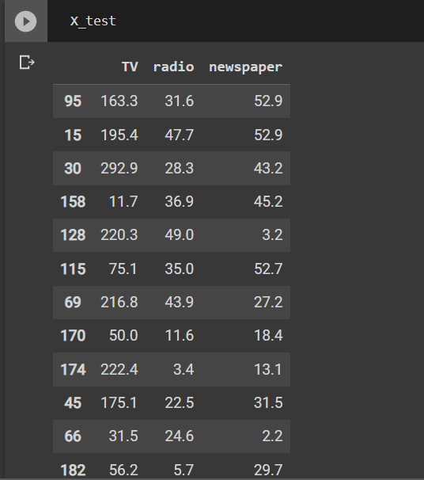
TRAIN | TEST | SPLIT

⇰REFERENCE (WEBSITE)-->Udemy Regarding Train_Test_Split
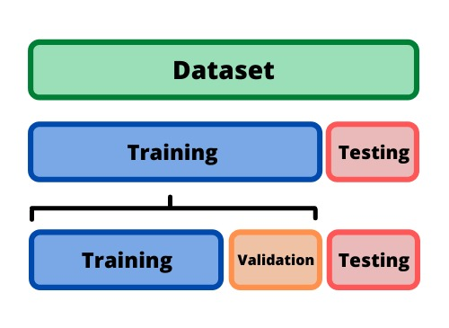 ⇰DEFINITION OF TRAIN-TEST-SPLIT →To fairly evaluate my model's performance, I don't want to evaluate it on the same data it was trained at. First we separates out the features and then it separates out the labels Further we'll separate out a training set and a test set Which Further Subdivide into 4 Components --> X train and Y train and then X test and y test the weights.

PARAMETERS FOR TRAIN | TEST | SPLIT | REFERENCE

⇰X_train→X_train Contains the Values of The Features (X1(Newspaper) ,X2(Radio) , X3(Television) This includes your all independent variables,these will be used to train the model, also as we have specified the test_size = 0.4, this means 60% of observations from your complete data will be used to train/fit the model and rest 40% will be used to test the model. | ⇰REFERENCE (Website)--> Stackoverflow Regarding TRAIN-TEST-SPLIT

⇰X_test→This is remaining 40% portion of the independent variables [Features(X1(Newspaper) ,X2(Radio) , X3(Television)] from the data which will not be used in the training phase and will be used to make predictions to test the accuracy of the model.
 | ⇰REFERENCE (Website)-> Stackoverflow RegardingTRAIN-TEST-SPLIT

⇰y_train→This is your dependent variable which needs to be predicted by this model, this includes category labels against your independent variables (Output =Total Sales), we need to specify our dependent variable while training/fitting the model.

 | ⇰REFERENCE (Website)-->(1.2 Google Colab Linear Regression Regarding Practical Implementation (Coding) of TRAIN | TEST SPLIT
⇰y_test→This data has category labels (Dependent Variable) (Output = Total Sales) for your test data, these labels will be used to test the accuracy between actual and predicted categories.

⇰test_size→test_size is the number that defines the size of the test set. It's very similar to train_size . You should provide either train_size or test_size . If neither is given, then the default share of the dataset that will be used for testing is 0.25 , or 25 percent. Especially in This Case test_size is 0.3 or 30% of Total Data Size.
 | ⇰REFERENCE (Website)-> Scikit Learn Regarding TRAIN-TESTS-SPLIT

⇰Random_state →Random_state is used to set the seed for the random generator so that we can ensure that the results that we get can be reproduced. Because of the nature of splitting the data in train and test is randomised you would get different data assigned to the train and test data unless you can control for the random factor. ↔Example-->For example, imagine you have numbers: 1,2,3,4,5 and you want to select two random numbers. Without using a random_state you would get different things: i.e. first 2,5 then 3,4 and so on.When you control the random generator by setting the random state to 0, 1 or another number, everyone would get the same random numbers generated: i.e random_state=1 then the random numbers are 1,3 and everyone who will pick two random numbers using random_state=1 from 1,2,3,4,5 will get the same two numbers as you: 1,3. →The random state hyperparameter is used to control any such randomness involved in machine learning models to get consistent results. We can use cross-validation to mitigate the effect of randomness involved in machine learning models. →Reason For Random State Usage--> ❶. We need t
 | ⇰REFERENCE (Website)-> Real Python Regarding TRAIN-TESTS-SPLIT

 | ⇰REFERENCE (Website)--> Geeks For Geeks Regarding Practical Impelentation (Coding) of TRAIN | TEST SPLIT

 | ⇰REFERENCE (Website)-> Scikit Learn Regarding TRAIN-TESTS-SPLIT

 | ⇰REFERENCE (Website)-> Real Python Regarding TRAIN-TESTS-SPLIT

⇰Shuffle Split→shuffle is the Boolean object (True by default) that focus on whether to shuffle the dataset before applying the split. →Reason For Random State Usage--> ❶.The other reason that we have a random state here is because what Sk learn is going to do when it calls train test split is it's actually going to shuffle the arrays first.So you'll notice here that it actually is calling a shuffle split.That's why main reason it's calling a shuffle split. ❷.If we See almost any Data set We can tell that more or less my data appears to be in no sort of sorted order.But for other data sets, it's not uncommon that when you read it in, it's actually already sorted for you. What we don't want to do is if our data set is in some sort of order or sorted is grab the first 70% of the rows for the train set and then the last 30% for the test set. Instead, we want to make sure that we shuffle everything first and then grab the 70% and 30%.That way I don't have an accidentally ordered data set and the test set happens to be all the highest sales and the training set is the lowest 70% of sales. That could be really dangerous as far as fairly evaluating and training your model.So instead we just alleviate any issues of that by shuffling the data set first.

 | ⇰REFERENCE (Website)-->(1.2 Google Colab Linear Regression Regarding Practical Implementation (Coding) of TRAIN | TEST SPLIT

 | ⇰REFERENCE (Website)--> 1.3 Google Colab (Polynomial Regression) Regarding Practical Implementation (Coding) of TRAIN | TEST SPLIT

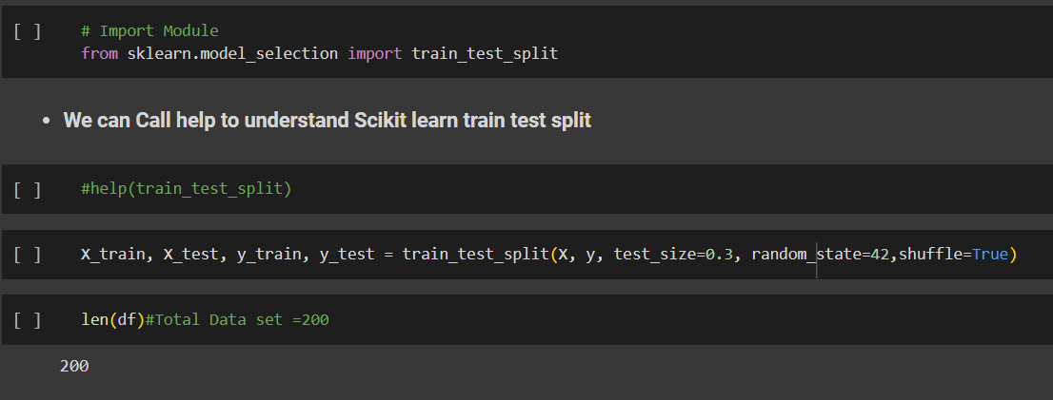 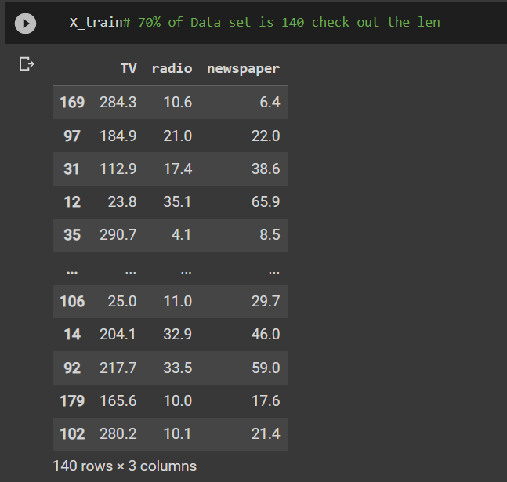 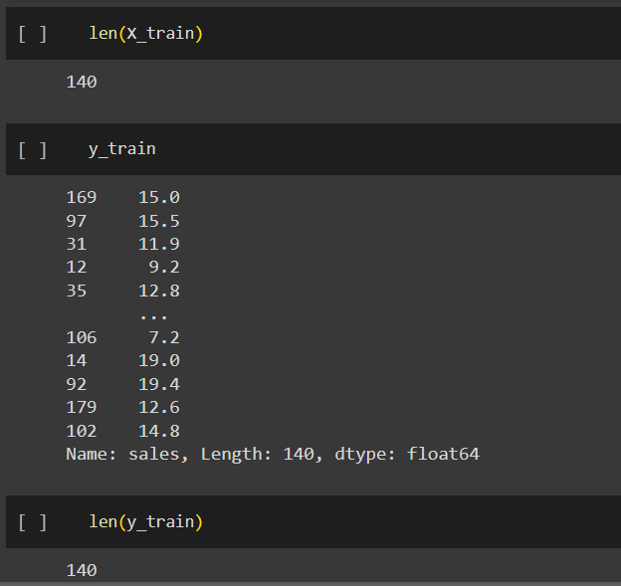 | ⇰REFERENCE (Website)-->(1.2 Google Colab Linear Regression Regarding Practical Implementation (Coding) of TRAIN | TEST SPLIT

 | ⇰REFERENCE (Website)-->(1.3 Google Colab Polynomial Regression Regarding Practical Implementation (Coding) of TRAIN | TEST SPLIT

FEATURE SCALING
2. (THEREOTICAL) FEATURE SCALING | REFERENCE

①What is Feature Scaling ? | ⇰REFERENCE (Website)-->Udemy Regarding Definition & Meaning & Definition as well as benefits of Feature Scaling
⇰Many machine learning algorithms perform better when numerical input variables are scaled to a standard range.This includes algorithms that use a weighted sum of the input, like linear regression, and algorithms that use distance measures, like k-nearest neighbors.

②What is Scale Invariance ? | ⇰REFERENCE (Website)-->Wikipedia Regarding Definition & Meaning of Scale Invariance
⇰In physics, mathematics and statistics, scale invariance is a feature of objects or laws that do not change if scales of length, energy, or other variables, are multiplied by a common factor, and thus represent a universality.

 | ⇰REFERENCE (You Tube)-->Feature Scale Importance For Gradient Descent By Priyanshu Vats
③Benefits of Feature Scaling ?
❶The most important benefit is that feature scaling improves the convergence of the steepest descent algorithms.And what we mean by that are algorithms like gradient descent in trying to minimize the lost function.Those gradient descent algorithms do not possess the property of Scale Invariance.

 | ⇰REFERENCE (You Tube)-->Code Basics(Hindi) Regarding Overall Thereotical Definition & Practical Implementation (Coding) of Cost Function or Line of Best Fit

❷So what we mean by that is that if you have features that are on different scales and you're trying to use something like gradient descent to figure out the optimal coefficients, certain weights for those coefficients may update faster than others, since the feature values may play a role in those coefficient or weight updates.

❸Essentially what we mean is, if you can imagine gradient descent in multiple dimensions and you have some features on much different or much larger scales than others, then the weights that are being restricted to those really large scales are going to take longer to update than the scales for features that are much smaller.And so what you want is that all the features are on roughly the same scale.
 | ⇰REFERENCE (You Tube) --> Krishna Naik Regarding Overall Implementation & Def & Why and When Should we Perform Feature Normalization?

❹That way, the gradient descent as far as the convergence of the optimal coefficients or weights can take around the same amount of time for each of those features.So that really is the critical benefit of feature scaling.
 | ⇰REFERENCE (Website)--> Scikit Learn Regarding Practical Implementation & Definition of Feature Scaling (Especially Standard Scaler)

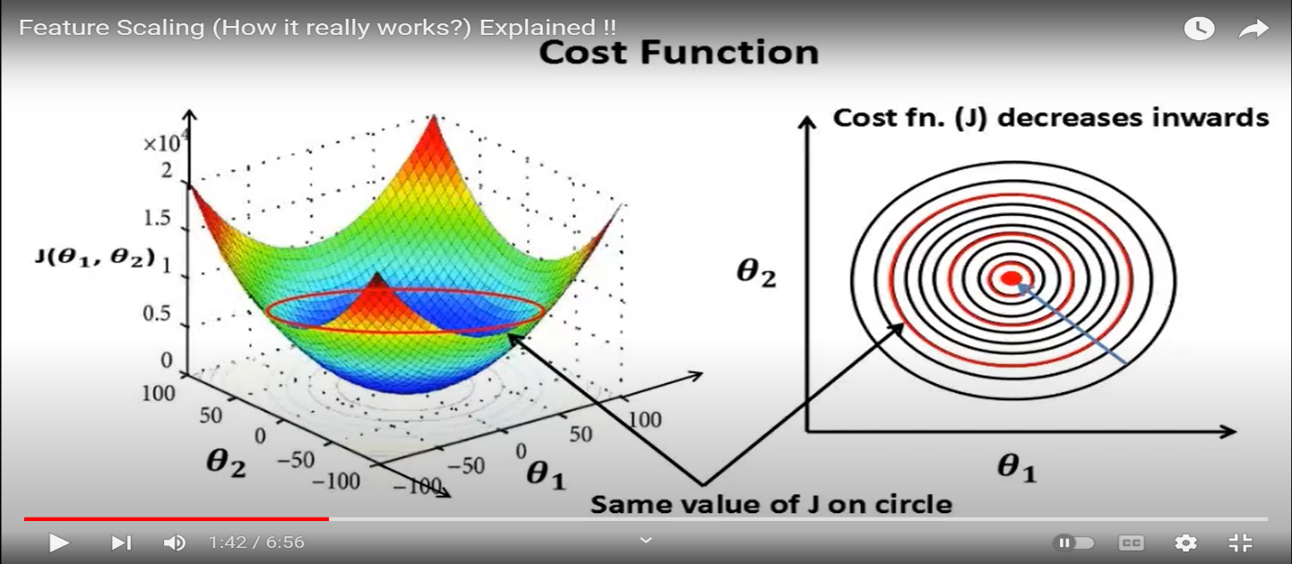

 | ⇰REFERENCE (Website)-->Udemy Regarding Definition & Meaning & Definition as well as benefits of Feature Scaling

 | ⇰REFERENCE (You Tube)-->Feature Scale Importance For Gradient Descent By Priyanshu Vats

 | ⇰REFERENCE (You Tube)-->Code Basics(Hindi) Regarding Overall Thereotical Definition & Practical Implementation (Coding) of Cost Function or Line of Best Fit

④Caveats (Warrning) of Using Feature Scaling in Various Models ?

⇰Must Always Scale new Unseen data Before Feeding to Model. ⇰Effect Direct Interpretability of Feature Coefficients. ❶Easier to Compare coefficients to one another , harder to relate back to original unscaled feature

 | ⇰REFERENCE (Website)-->Geeks For Geeks Regarding ML | Feature Scaling – Part 2

B. TYPES OF FEATURE SCALING | REFERENCE

①STANDARDIZATION (Standard Scaler) Or Z score Normalization | ⇰REFERENCE (Website)--> Scikit Learn Regarding Practical Implementation & Definition of Feature Scaling (Especially Standard Scaler)
⇰Standardization Rescales data to have a mean that is mu of 0 and a standard deviation of 1, which means you're essentially standardizing all your data to follow a standard normal distribution so you could have negative values there. Name Sake Can be confusing since this also referred as Z score normalization ⇰Name Sake Can be confusing since this also referred as Z score normalization ⇰Standardization scales each input variable separately by subtracting the mean (called centering) and dividing by the standard deviation to shift the distribution to have a mean of zero and a standard deviation of one. ⇰In Simple Words Standardization Mean Rescaling Data to have mean (μ) of 0 & Standard Deviation (σ) of 1 Unit Variance) .

 | ⇰REFERENCE (Website)-->Udemy Regarding Definition & Meaning & Definition as well as benefits of Feature Scaling

 | ⇰REFERENCE (Website)-->Machine Learning Mastery Regarding Thereotical & Practical (Coding) Implementation Regarding Meaning & Understanding of 1st Types of Feature Scaling That is Standardization
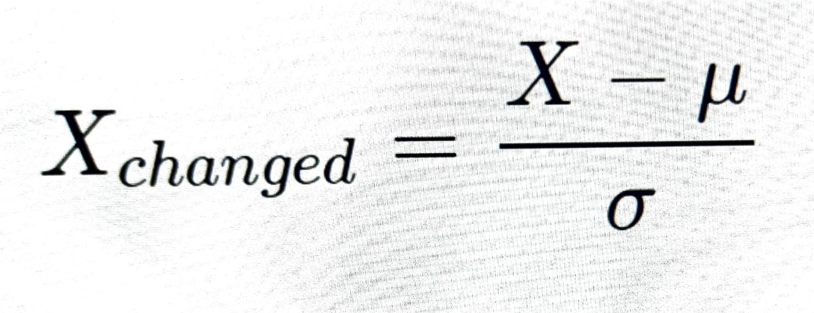

 | ⇰REFERENCE (You Tube)-->Feature Scale Importance For Gradient Descent By Priyanshu Vats

 | ⇰REFERENCE (You Tube)-->Code Basics(Hindi) Regarding Overall Thereotical Definition & Practical Implementation (Coding) of Cost Function or Line of Best Fit
❶PRACTICAL IMPLEMENTATION OF PLOTTING TYPES OF FEATURE SCALING (STANDARDIZATION) IN 1.3 POLYNOMIAL REGRESSION & FEATURE SCALING

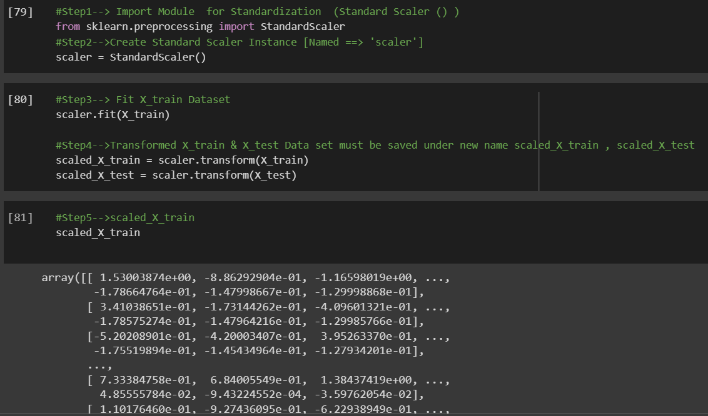

 | ⇰REFERENCE (Website) --> 1.3 Google Colab (Polynomial Regression & Feature Scaling) Regarding Practical Implementation & (Coding) 1st Types of Feature Scaling That is == (Standardization) Standard Scaling

 | ⇰REFERENCE (Website)-->Analytics Vidhya Regarding Meaning of Feature Scaling & Types of Feature scaling 1. Standardization 2.Normalization

 | ⇰REFERENCE (Website)-->Scikit Learn Regarding Practical Implementation & Definition of Feature Scaling (Especially Min-Max Scaler)

